KPI
Employee Satisfactory

Count of EmployeeID |  |  | Headcount |  | Row Labels | Count of EmployeeID
311 |  |  | 311 |  | Acceptable | 108 | Acceptable | 108
 |  |  |  |  | High | 94 | High | 94
 |  |  |  |  | Low | 9 | Low | 9
Row Labels | Count of EmployeeID |  | Active |  | Very High | 98 | Very High | 98
Active | 207 |  | 207 | 67% | Very Low | 2 | Very Low | 2
Grand Total | 207 |  |  |  | Grand Total | 311

Row Labels | Count of EmployeeID |  | Terminated |  | Row Labels | Count of EmployeeID
Terminated | 104 |  | 104 | 33% | CareerBuilder | 23 | CareerBuilder | 23
Grand Total | 104 |  |  |  | Diversity Job Fair | 29 | Diversity Job Fair | 29
 |  |  |  |  | Employee Referral | 31 | Employee Referral | 31
 |  |  |  |  | Google Search | 49 | Google Search | 49
Row Labels | Count of EmployeeID |  | Male |  | Indeed | 87 | Indeed | 87
Female | 176 |  | 135 |  | LinkedIn | 76 | LinkedIn | 76
Male | 135 |  |  |  | On-line Web application | 1 | On-line Web application | 1
Grand Total | 311 |  |  |  | Other | 2 | Other | 2
 |  |  |  |  | Website | 13 | Website | 13
 |  |  |  |  | Grand Total | 311
Gender
Row Labels | Count of EmployeeID |  | Female
Female | 176 |  | 176
Male | 135
Grand Total | 311

Row Labels | Count of EmployeeID
Admin Offices | 9 |  | Admin Offices | 9
Engineering | 11 |  | Engineering | 11
Executive Office | 1 |  | Executive Office | 1
IT/IS | 50 |  | IT/IS | 50
Production | 209 |  | Production | 209
Sales | 31 |  | Sales | 31
Grand Total | 311
 |  |  |  |  | Female | 57%
 |  |  |  |  | Male | 43%
Row Labels | Count of EmployeeID
Female | 176 |  | Female | 176
Male | 135 |  | Male | 135
Marital Status
Grand Total | 311

Row Labels | Count of EmployeeID
Divorced | 30 |  | Divorced | 30
Married | 124 |  | Married | 124
Separated | 12 |  | Separated | 12
Single | 137 |  | Single | 137
Widowed | 8 |  | Widowed | 8
Grand Total | 311

Average of Emp Satisfaction
3.9

Rating | 3.9 | 78%
Balance Rating | 1.1 | 22%

Dashboard
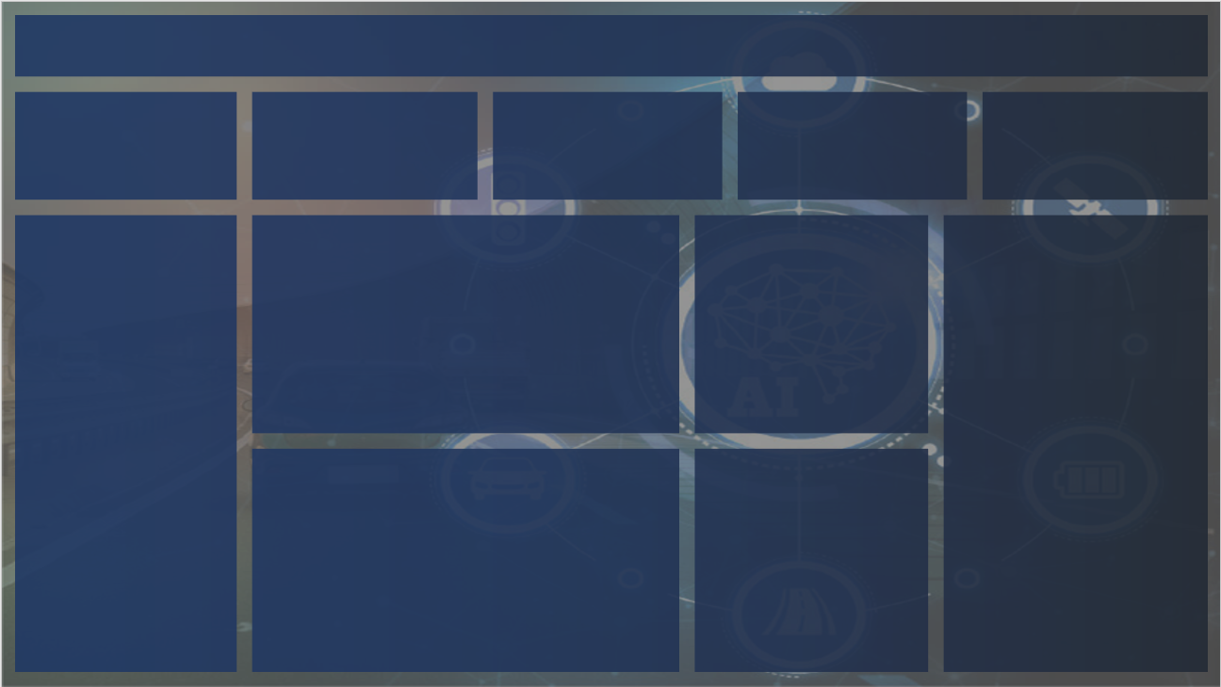
HR DASHBOARD
Job Satisfactory Rating
 | 78%
 | 22%
 | 3.9 | 1.1
3.9

Headcount
Active
Teminated
Male
Female

311
207
104
135
176
67%
33%
43%
57%

Marital Status
Divorced | 30
Married | 124
Separated | 12
Single | 137
Widowed | 8
Gender
Female | 176
Male | 135

Employee Satisfactory
Acceptable | 108
High | 94
Low | 9
Very High | 98
Very Low | 2
Department
Admin Offices | 9
Engineering | 11
Executive Office | 1
IT/IS | 50
Production | 209
Sales | 31

